What is the GCSI
GLOBAL CRISIS SEVERITY INDEX

WHAT IS THE INFORM GLOBAL CRISIS SEVERITY INDEX? The INFORM Global Crisis Severity Index (GCSI) is a methodology developed by the INFORM Group to measure the overall severity of humanitarian crises, on an ongoing and regular basis. It is designed to contribute to A shared and objective understanding of crisis severity; Decisions on the allocation of resources in a way that is proportionate with crisis severity; Justify and advocate for action, especially in the case of forgotten or unrecognised crises; Monitor trends in crisis severity over time

It is a composite indicator that aggregates data from various sources to categorise all crises into five levels of severity: - Very high severity (5) - High severity (4) - Medium severity (3) - Low severity (2) - Very low severity (1)

The Index is divided into three main dimensions (see figure below) IMPACT of the crisis itself, in terms of the scope of its geographical, and human effects; CONDITIONS and status of the people affected, including information about the distribution of severity (i.e. the number of people in each category of severity within a crisis); COMPLEXITY of the crisis, in terms of factors that affect its mitigation or resolution.
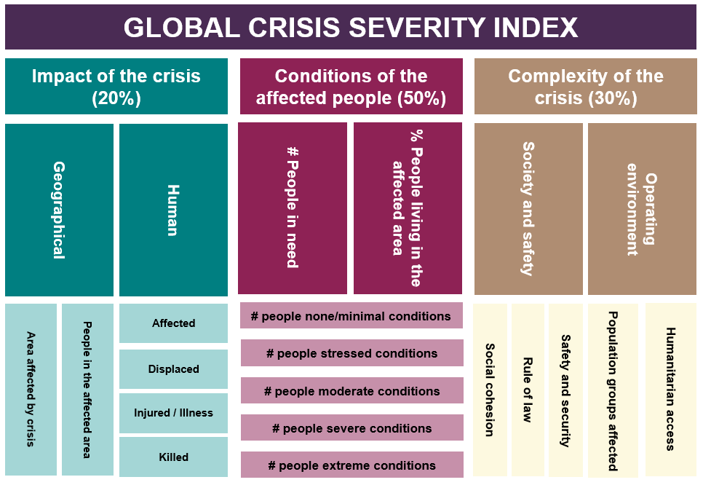

The results are presented at crisis-level. A crisis is defined as an event and a location. There may be more than one crisis per country. Sometimes a crisis may be defined as a country.

DATA SOURCES
The INFORM GCSI aggregates information from a range of credible, publicly available sources, such as UN agencies, governments and other multilateral organisations. The country’s Humanitarian Needs Overview (HNO) is used if one is available. Due to the dynamic and chaotic nature of humanitarian emergencies and the lack of a globally systematic approach to data collection, imperfect information is necessarily used in the GCSI. Expert judgement is involved in deciding what data to include. A reliability estimate is provided for each crisis. The results spreadsheet contains metadata, showing the sources and dates of included figures, as well as key assessments or judgements made in their inclusion.

Click here to read the full Guidance Note on the Global Crisis Severity Index

We welcome all comments, experiences and questions relating to the INFORM GCSI. Please send them to contact@inform.index.org

Key figures
INFORM Global Crisis Severity Index - January 2020

133
crises identified
23
crises with no final score due to significant info gaps
Type of crises
 | VERY HIGH SEVERITY: | 8 | Row Labels | Count of CRISIS
 |  |  | Africa | 59
 |  |  | Asia | 20
 | HIGH SEVERITY: | 34 | Middle east | 15
 |  |  | Americas | 14
 |  |  | Europe | 5
 | MEDIUM SEVERITY: | 40 | Pacific | 1
 |  |  | Grand Total | 114

 | LOW SEVERITY: | 26

 | VERY LOW SEVERITY: | 2

# of crises per region

 |  |  | Row Labels | Count of CRISIS
 |  |  | International displacement | 34
 |  |  | Complex crisis | 26
 |  |  | Conflict | 21
 |  |  | Regional crisis | 8
 |  |  | Drought | 8
 |  |  | Flood | 4
 |  |  | Tsunami | 1
 |  |  | Political and economic crisis | 1
 |  |  | Other type of violence | 1
 |  |  | Grand Total | 104

